Test 1_Efficiency
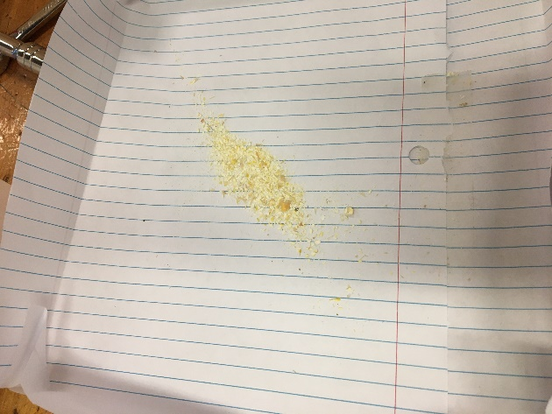
HOME
Efficiency Test
(Create a new sheet for each test to be performed.)

TEST PLAN | Quantitative Test

1. Purpose of Test |  |  | Hypothesis

Function to be tested | How efficient the grinder operates |  | The grinder will yield over 50% efficiency.

Failure mode to be tested | All corn kernels remain ungrounded and in original state.

Data to be collected | Corn grinded successfully/Corn initially inputted in sytem

2. Description of Test Procedures

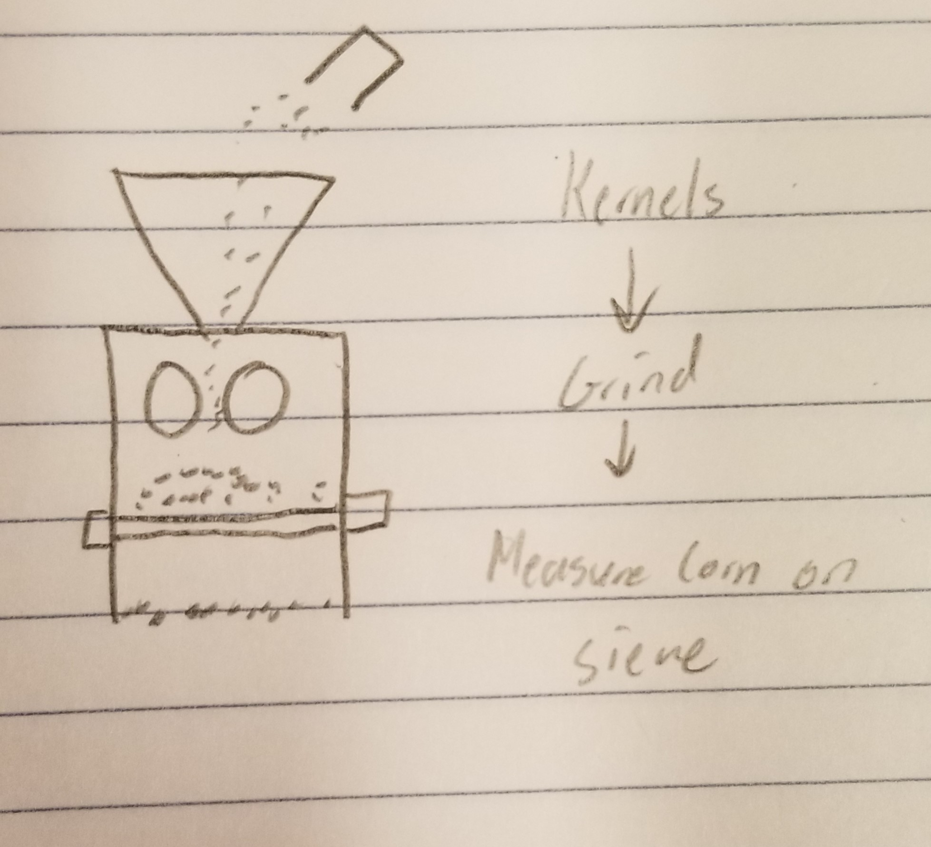
Test procedures | Description of data collection | Team member duties | Schematic/sketch
Weigh out 0.175 kg of corn | Weigh the corn using a scale | Mitch - Weigh corn
Pour corn kernels into hopper at a rate of 0.175 Kg/30 sec. |  | Mitch - Record time, Jackson - Pour corn
Grind the Corn Kernels until finished |  | Abigail - Grind corn
Shake sieve back and forth to clear debris |  | Mitch - Shake seive back and forth
Pour remaining corn from sieve into a bowl and weigh | Weight of the corn ungrinded-weight of the corn initially | Mitch - Pour and weigh

3. Relevant Math Model
(Describe the math model related to your testing. The math model should contain parameters involved in the testing.)

Efficiency=Sufficiently grounded corn/Corn Input * 100

Parameters Held Constant |  | Units
Location of test (Base surface of grinder)
Corn Input |  | g

Parameters Varied |  | Units
Speed at which the crank is turned |  | Rev/Sec.

Dependent variable |  | Units
The amount of corn sufficiently ground. |  | g

4. Schedule and Test Location

Date: 11/14/2019
Time: 0900
Location: Iowa State University, Hoover 1360

Notes: Test was preformed on 11/21/19

5. Equipment and Materials Needed for Test |  | Accuracy of instrumentation
1. Corn |  | 0.175 kg.
2. Bowl
3. Scale |  | .1 g.
4. Graduated Cylinder
5. Stopwatch |  | 0.1 sec.

TEST RESULTS

Test Result Summary: (Briefly describe the test results, model prediction, pass/fail, and discussion) This test proved to the group that the corn grinder will indeed grind corn. However, the target efficiency was not met. The hope was to perform 4 to 5 tests, but after the second test, the grinder broke beyond immediate repair.

Test Results
Test | Corn Poured into Grinder (g) | Acceptable Ground Corn (g) | Efficiency (%) | Average efficiency= 2.67%
1 | 28.45 | 0.46 | 1.62
2 | 30.9 | 1.15 | 3.72

Average | 29.675 | 0.805 | 2.67
Corn Total in Grinder vs. Corn Successfully Grinded
 | 28.45 | 0.46
 | 30.9 | 1.15

Input vs Output
 | Test 1 | Test 2
 | 28.45 | 30.9
 | 0.46 | 1.15
Insufficiently vs sufficiently crushed corn after Grinding:

Test 2_Velocity
HOME
Velocity Test
(Create a new sheet for each test to be performed.)

TEST PLAN | Quantitative

1. Purpose of Test |  |  | Hypothesis

Function to be tested | Roller velocity |  | The angular velocity that we find through measurements should be relatively close to the value that we calculate using the math model.

Failure mode to be tested | Does it achieve projected velocity

Data to be collected | Applied force, angular velocity of rollers

2. Description of Test Procedures

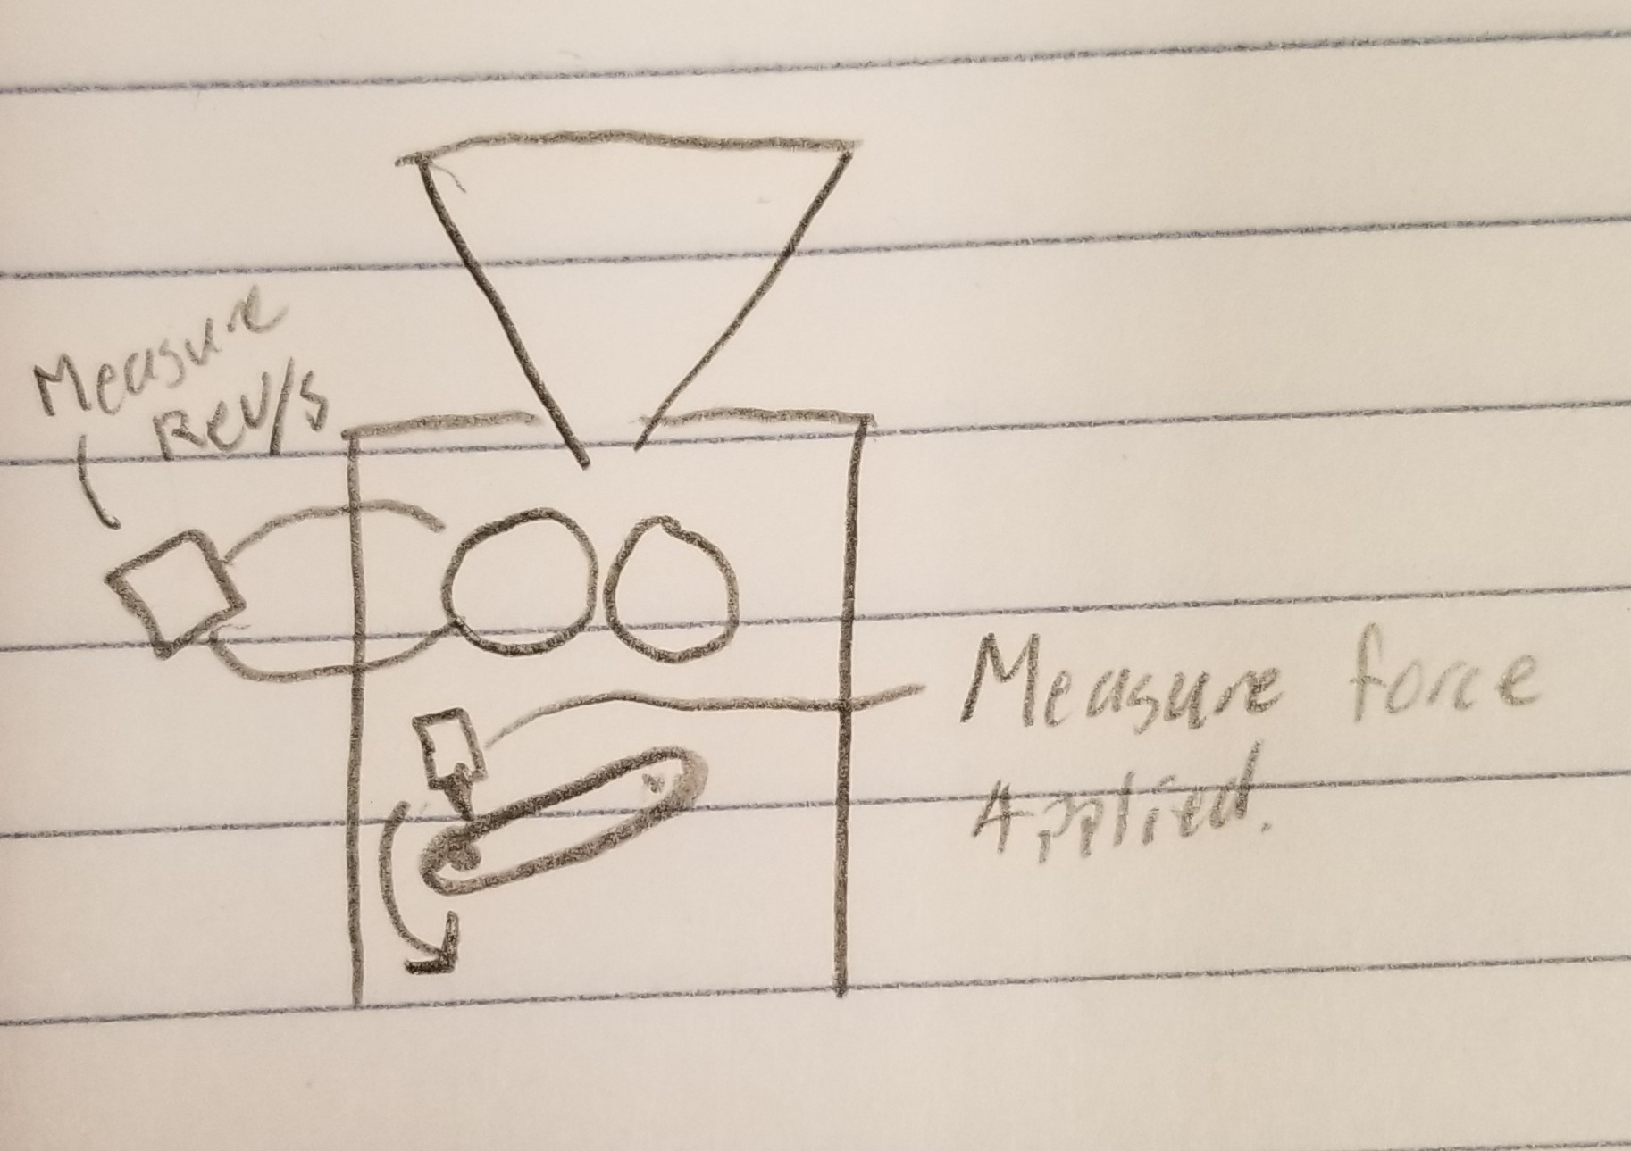
Test procedures | Description of data collection | Team member duties | Schematic/sketch
Apply force to the handle | Force applied | Measure force applied, and turn the handle
Find velocity of the rollers | Revs/Minute of rollers | Use the tacometer to find RPM and calculate angular velocity

3. Relevant Math Model
(Force applied) = [(handle mass)(handle velocity)^2]/(radius) = (Angular velocity of handle)
(Angular velocity of handle)*(17/14) = (Angular velocity of roller)
 |  |  |  |  | Conversions: (Grind Equations)
Grind Kernels | Input | Fr | 5.8E-03 | kg/s | Fr = .175kg / 30s
 |  | Fc | 75.00 | N
 | Control | R | 2.5E-02 | m
 |  | Ti | 18.75 | Nm | Ti= Rcrank * Fc
 |  | G | 1.2142857143 |  | G = Large gear teeth / small gear teeth
 | Output | To | 22.767857143 | Nm | To = Ti * G
 |  | F | 896.4 | N | F = To / R

Parameters Varied |  | Units
Amount of force applied |  | Newtons

Dependent variable |  | Units
Velocity of rollers (rotating) |  | Revs/Minute

4. Schedule and Test Location

Date: 11/12/12
Time: 10 am
Location: Boyd Lab

Notes: Test performed on 11/21/19

5. Equipment and Materials Needed for Test |  | Accuracy of instrumentation
1. Force Gauge |  | ±0.03%
2. Tachometer |  | ±0.01%

TEST RESULTS

Test Result Summary: (Briefly describe the test results, model prediction, pass/fail, and discussion) Our test and measurement of force acting as the independent variable and velocity as the independent variable proved that our machine is consistent. The results plotted on a scatterplot show a relatively linear line which proves consistency. The mechanism is not that challenging to operate as a force of only 7 Newtons was needed to rotate the roller at 57.1 rev/m.

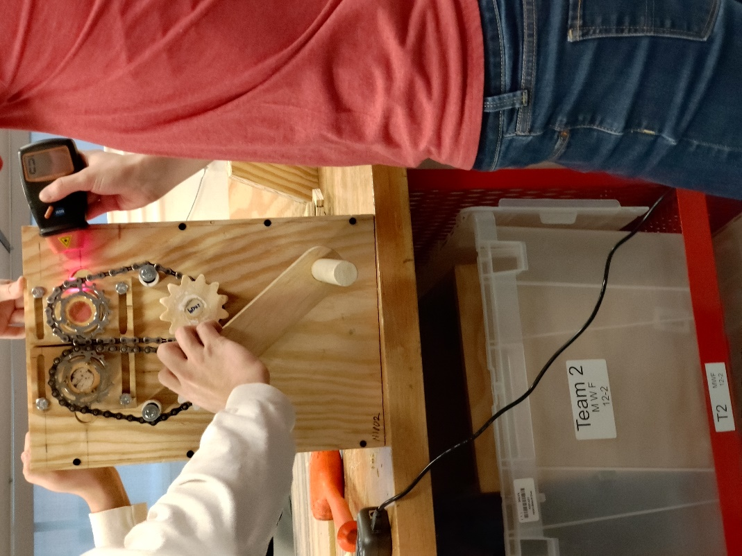
Test Results
Force (N) | Velocity (Rev/m)
1.2 | 25
3 | 38.4
7 | 57.1
6.1 | 47.3
4.3 | 41.8
Velocity vs Force Applied
1.2 | 25
3 | 38.4
7 | 57.1
6.1 | 47.3
4.3 | 41.8

Test 3_Ease of Function
HOME
Ease of Function Test
(Create a new sheet for each test to be performed.)
 | Qualitative Test
TEST PLAN

1. Purpose of Test |  |  | Hypothesis

Function to be tested | Ease of operation |  | It will be easy to use the grinder to grind the kernels.

Failure mode to be tested | Does it work

Data to be collected | Ease of operation on Yes/No basis

2. Description of Test Procedures

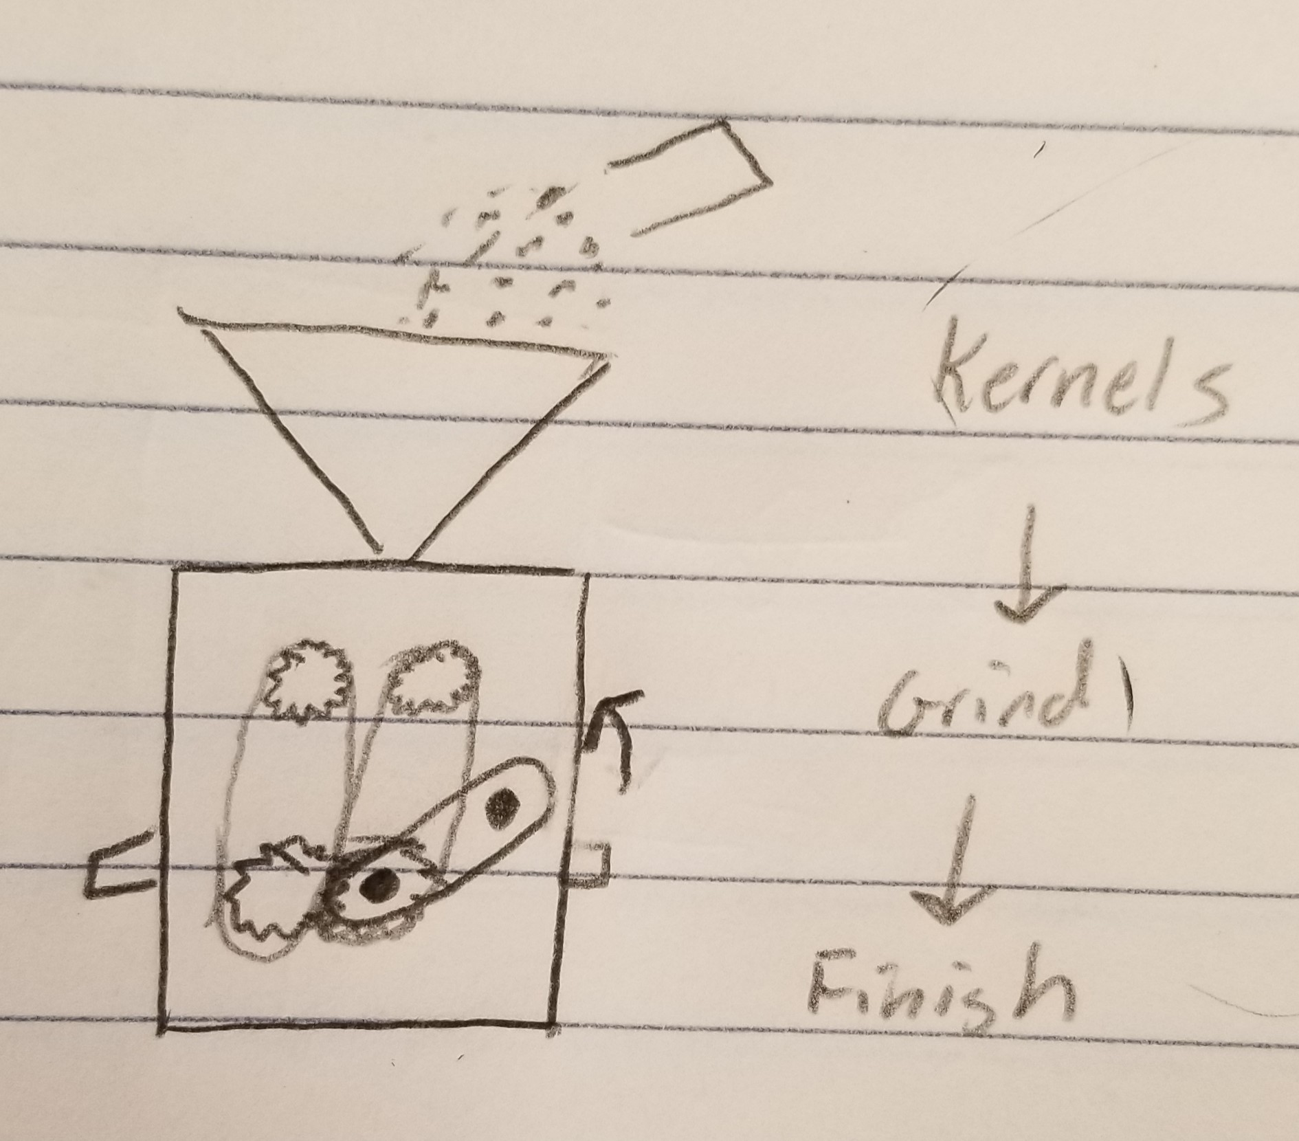
Test procedures | Description of data collection | Team member duties | Schematic/sketch
Put the corn kernels into the hopper at a rate of .175 kg/30sec |  | One person pours the corn into the hopper, one person uses a stopwatch to record 30 seconds.
Person operating the grinder turns the handle for 30 seconds |  | One person turns the handle while two other members do the first test procedure
Operator reports ease of use | Operator will report the ease of use by answering the question was the grinder easy to use? | One team member records the operators report.

3. Relevant Math Model
(Describe the math model related to your testing. The math model should contain parameters involved in the testing.)
The relevant math model for this test is the grind kernels block
 |  |  |  |  | Conversions: (Grind Equations)
Grind Kernels | Input | Fr | 5.8E-03 | kg/s | Fr = .175kg / 30s
 |  | Fc | 75.00 | N
 | Control | R | 2.5E-02 | m
 |  | Ti | 18.75 | Nm | Ti= Rcrank * Fc
 |  | G | 1.2142857143 |  | G = Large gear teeth / small gear teeth
 | Output | To | 22.767857143 | Nm | To = Ti * G
 |  | F | 896.4 | N | F = To / R

Flow rate of corn |  | .175kg/30sec
Starting amount of corn (weight) |  | .175kg

Parameters Varied |  | Units
Person operating the grinder |  | # of People

Dependent variable |  | Units
Was it easy to use? |  | Yes/No

4. Schedule and Test Location

Date: 11/12/19
Time: 8 - 11 AM
Location: Hoover Room 1360

NOTES: Test was performed on 11/21/19

5. Equipment and Materials Needed for Test |  | Accuracy of instrumentation
.175 kg of corn kernels |  | 0.1 g
Stop watch |  | 0.01 s

TEST RESULTS

Test Result Summary: The results for this test were dependent on the individual's opinion testing the product. For a simple qualitative results, only yes or no answers were recorded. It was found that 3 of the 5 group members found the prototype easy to use while the other two felt differently. The test gave us feedback on minor changes that need to be implemented; chain tightness, spacer width, and several spots needing more glue.

Test Results

Team Member | Ease of Use (Yes/No)
Team Member 1: Abigail | Yes
Team Member 2: Paul | Yes
Team Member 3: Jackson | No
Team Member 4: Mitch | Yes
Team Member 5: Jamie | No

Count of Parameter (Team Member) by Measured value (Ease of use)
 | Total
No | 2
Yes | 3
 | Answer | Count
 | Yes | 3
 | No | 2
Ease of Use
Yes | 3
No | 2

